Sheet1
 | Document No. |  | Issue No. | Issue Date |  |  | Review and Replace Date |  | Authorised By
 | GFF161MC |  | 2 | 19.03.2019 |  |  | 19.10.2020 |  | Magda Shah
 | Document Title |  | Rose Harrisa Lamb Kofta with Mint Raita Dip 90g - High Risk
Document amendments reason for change | Shelf life reviewed and updated |  |  | Page 1 of 1 |  | Previous Issue Date |  | 19.03.2019 | Uncontrolled copy unless signed original

CLHKOB-G6T |  | GAZEBO |  |  | Rose Harrisa Lamb Kofta with Mint Raita Dip 90G | CHILLED
STEP 1 |  |  |  |  |  | STEP 2
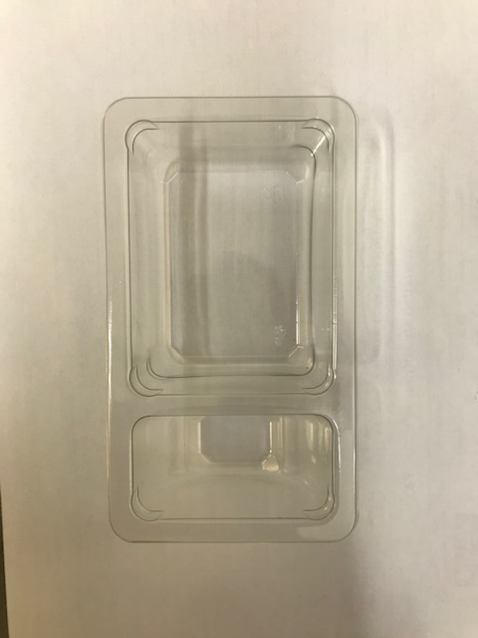 |  |  |  |  |  | 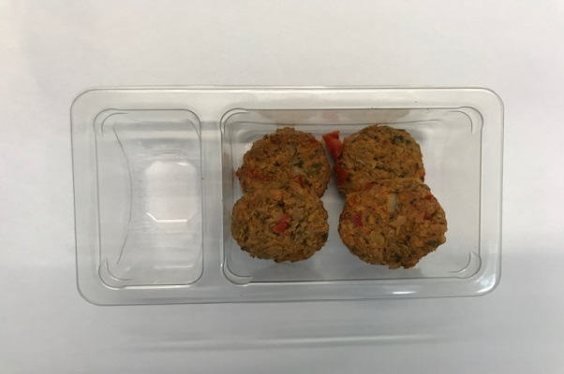

Tray: Duo-Pot Tray (PKLEE001-01) |  |  |  |  |  | 4 x 15g Rose Harissa Lamb Kebab 60g
Line 1: Mylar 250LAF 250mm x 1000 (PKWRA001-08)
Line 1: K-Peel 75G + AF 25 250mm (PKKMP001-01)
Line 2: Mylar 25OLAF - 380mm wide (PKWRA001-02)
STEP 3 |  |  |  |  |  | STEP 4
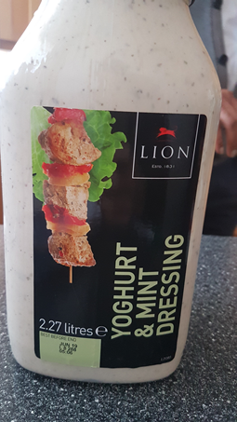 |  |  |  |  |  | 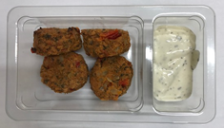 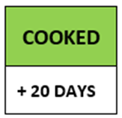 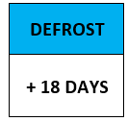

Lion Yogurt & Mint Raita Sauce (RMBRA001-10) 30g |  |  |  |  |  | TOTAL WEIGHT: 90g

ALLERGENS: Egg, Milk, Soya

